Sheet1
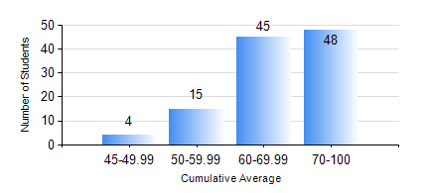
 |  |  | KWAME NKRUMAH UNIVERSITY OF SCIENCE AND TECHNOLOGY, KUMASI Department of Petroleum Engineering

 |  |  | BSC. PETROLEUM ENG.

 |  |  | COMPREHENSIVE RECORD OF EXAMINATION RESULTS

 |  |  | RESULTS OF YEAR 3 FIRST SEMESTER, 2020/2021 ACADEMIC YEAR

 | Sn | Course Code |  | Course Name | Credit Hours | Min. Mark | Max. Mark | Avg. Mark | Std. Dev. | No. Passed | No. Trailed | No. (Df) | No. (I) | No. (I*) | No. Tagged(I,I*,Df) | Total
 | 0. |  |  |  |  |  |  | 0 | 0 | 0 | 0 | 0 | 0 | 0 | 0 | 3
 | 1. | CHE 357 |  | EXPERIMENTAL DATA ANALYSIS | 3 | 40 | 97 | 73 | 12.68 | 109 | 0 | 0 | 0 | 0 | 0 | 109
 | 2. | GE 183 |  | PRINCIPLES OF LAND SURVEYING | 3 | 21 | 90 | 69 | 13.26 | 105 | 4 | 0 | 0 | 0 | 0 | 109
 | 3. | PETE 351 |  | INDUSTRIAL SAFETY AND ENVRIONMENTAL PROTECTION | 2 | 47 | 88 | 74 | 8.16 | 109 | 0 | 0 | 0 | 0 | 0 | 109
 | 4. | PETE 353 |  | FORMATION EVALUATION | 2 | 27 | 88 | 65 | 12.18 | 105 | 4 | 0 | 0 | 0 | 0 | 109
 | 5. | PETE 357 |  | RESERVOIR PETROPHYSICS | 3 | 43 | 92 | 71 | 8.71 | 109 | 0 | 0 | 0 | 0 | 0 | 109
 | 6. | PETE 359 |  | RESERVOIR ENGINEERING | 3 | 47 | 97 | 69 | 12.34 | 109 | 0 | 0 | 0 | 0 | 0 | 109
 | 7. | PETE 375 |  | PETROLEUM ENGINEERING LABORATORY I | 2 | 40 | 88 | 66 | 11.08 | 109 | 0 | 0 | 0 | 0 | 0 | 109

